Picture
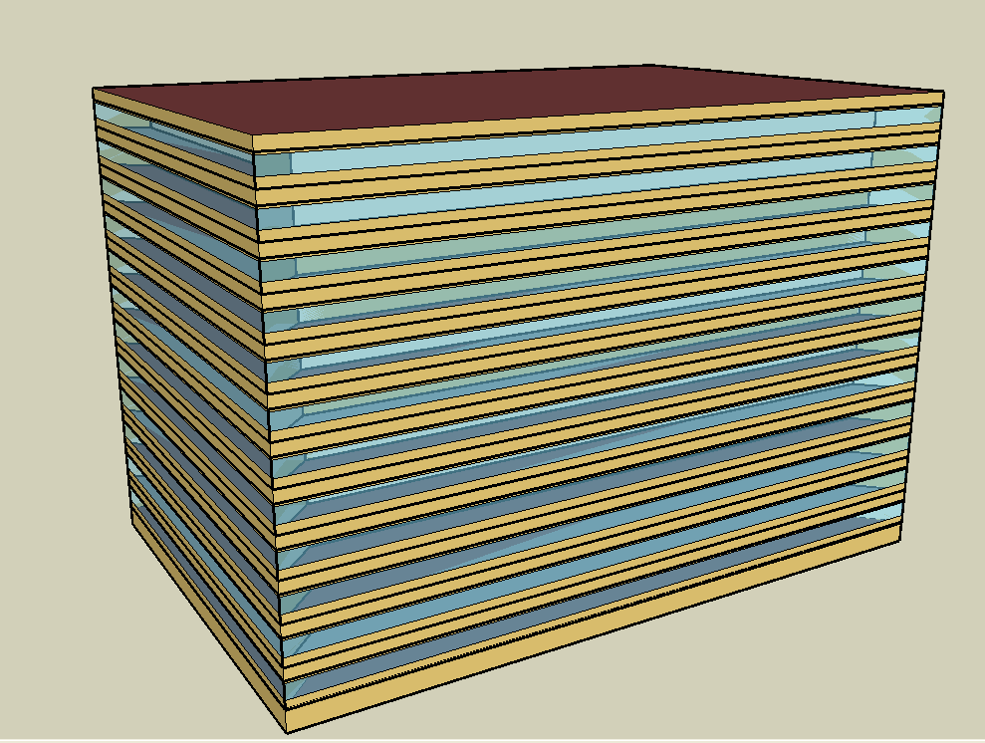
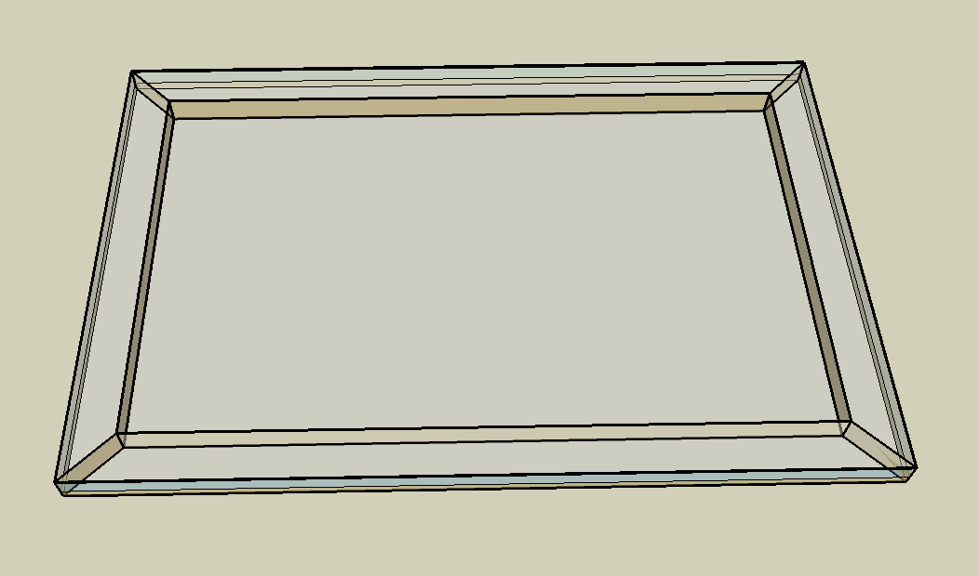
DOE Commercial Building Benchmark - Large Office

Electricity
 | Cooling | Interior Lighting | Exterior Lighting | Interior Equipment | Exterior Equipment | Fans | Pumps | Heat Rejection
Miami | 3,586,430.56 | 2,348,469.44 | 269,230.56 | 2,328,883.33 | 526,411.11 | 242,766.67 | 349,536.11 | 273,372.22
Houston | 3,053,255.56 | 2,348,469.44 | 269,127.78 | 2,328,883.33 | 526,411.11 | 228,144.44 | 330,841.67 | 255,555.56
Phoenix | 2,675,200.00 | 2,348,469.44 | 269,077.78 | 2,328,883.33 | 526,411.11 | 281,252.78 | 314,708.33 | 253,580.56
Atlanta | 2,561,538.89 | 2,348,469.44 | 269,036.11 | 2,328,883.33 | 526,411.11 | 229,244.44 | 321,158.33 | 237,161.11
Los Angeles | 1,895,033.33 | 2,348,469.44 | 268,830.56 | 2,328,883.33 | 526,411.11 | 199,100.00 | 232,575.00 | 191,616.67
Las Vegas | 1,892,494.44 | 2,348,469.44 | 268,769.44 | 2,328,883.33 | 526,411.11 | 279,555.56 | 250,550.00 | 199,094.44
San Francisco | 966,886.11 | 2,348,469.44 | 268,913.89 | 2,328,883.33 | 526,411.11 | 185,019.44 | 154,841.67 | 126,936.11
Baltimore | 2,260,022.22 | 2,348,469.44 | 268,750.00 | 2,328,883.33 | 526,411.11 | 227,783.33 | 326,047.22 | 220,188.89
Albuquerque | 1,103,294.44 | 2,348,469.44 | 268,852.78 | 2,328,883.33 | 526,411.11 | 276,661.11 | 161,327.78 | 117,744.44
Seattle | 780,336.11 | 2,348,469.44 | 268,319.44 | 2,328,883.33 | 526,411.11 | 210,808.33 | 122,402.78 | 91,727.78
Chicago | 1,124,527.78 | 2,348,469.44 | 268,791.67 | 2,328,883.33 | 526,411.11 | 197,775.00 | 143,261.11 | 102,102.78
Boulder | 737,386.11 | 2,348,469.44 | 268,636.11 | 2,328,883.33 | 526,411.11 | 218,430.56 | 112,161.11 | 80,138.89
Minneapolis | 1,020,700.00 | 2,348,469.44 | 268,616.67 | 2,328,883.33 | 526,411.11 | 205,133.33 | 131,947.22 | 95,455.56
Helena | 550,111.11 | 2,348,469.44 | 268,555.56 | 2,328,883.33 | 526,411.11 | 210,077.78 | 91,530.56 | 62,669.44
Duluth | 524,097.22 | 2,348,469.44 | 268,400.00 | 2,328,883.33 | 526,411.11 | 201,144.44 | 83,163.89 | 55,208.33
Fairbanks | 325,991.67 | 2,348,469.44 | 266,758.33 | 2,328,883.33 | 526,411.11 | 215,288.89 | 62,800.00 | 37,769.44

Gas
 | Heating | Water Systems
Miami | 417,130.00 | 129,190.00
Houston | 2,323,930.00 | 163,090.00
Phoenix | 1,734,840.00 | 143,480.00
Atlanta | 4,449,210.00 | 195,790.00
Los Angeles | 1,525,780.00 | 189,530.00
Las Vegas | 2,484,270.00 | 167,010.00
San Francisco | 3,355,680.00 | 217,530.00
Baltimore | 7,573,800.00 | 221,520.00
Albuquerque | 4,378,350.00 | 216,650.00
Seattle | 7,891,170.00 | 234,970.00
Chicago | 7,960,160.00 | 244,120.00
Boulder | 4,975,620.00 | 242,940.00
Minneapolis | 11,220,140.00 | 263,660.00
Helena | 8,234,880.00 | 267,210.00
Duluth | 14,010,530.00 | 295,850.00
Fairbanks | 25,185,950.00 | 334,820.00

EUI
 | Cooling (elec) | Interior Lighting (elec) | Exterior Lighting (elec) | Interior Equipment (elec) | Exterior Equipment (elec) | Fans (elec) | Pumps (elec) | Heat Rejection (elec) | Heating (gas) | Water Systems (gas)
Miami | 278.74 | 182.52 | 20.92 | 181.00 | 40.91 | 18.87 | 27.17 | 21.25 | 9.01 | 2.79
Houston | 237.30 | 182.52 | 20.92 | 181.00 | 40.91 | 17.73 | 25.71 | 19.86 | 50.17 | 3.52
Phoenix | 207.92 | 182.52 | 20.91 | 181.00 | 40.91 | 21.86 | 24.46 | 19.71 | 37.45 | 3.10
Atlanta | 199.08 | 182.52 | 20.91 | 181.00 | 40.91 | 17.82 | 24.96 | 18.43 | 96.05 | 4.23
Los Angeles | 147.28 | 182.52 | 20.89 | 181.00 | 40.91 | 15.47 | 18.08 | 14.89 | 32.94 | 4.09
Las Vegas | 147.08 | 182.52 | 20.89 | 181.00 | 40.91 | 21.73 | 19.47 | 15.47 | 53.63 | 3.61
San Francisco | 75.15 | 182.52 | 20.90 | 181.00 | 40.91 | 14.38 | 12.03 | 9.87 | 72.45 | 4.70
Baltimore | 175.65 | 182.52 | 20.89 | 181.00 | 40.91 | 17.70 | 25.34 | 17.11 | 163.51 | 4.78
Albuquerque | 85.75 | 182.52 | 20.90 | 181.00 | 40.91 | 21.50 | 12.54 | 9.15 | 94.52 | 4.68
Seattle | 60.65 | 182.52 | 20.85 | 181.00 | 40.91 | 16.38 | 9.51 | 7.13 | 170.36 | 5.07
Chicago | 87.40 | 182.52 | 20.89 | 181.00 | 40.91 | 15.37 | 11.13 | 7.94 | 171.85 | 5.27
Boulder | 57.31 | 182.52 | 20.88 | 181.00 | 40.91 | 16.98 | 8.72 | 6.23 | 107.42 | 5.24
Minneapolis | 79.33 | 182.52 | 20.88 | 181.00 | 40.91 | 15.94 | 10.25 | 7.42 | 242.23 | 5.69
Helena | 42.75 | 182.52 | 20.87 | 181.00 | 40.91 | 16.33 | 7.11 | 4.87 | 177.78 | 5.77
Duluth | 40.73 | 182.52 | 20.86 | 181.00 | 40.91 | 15.63 | 6.46 | 4.29 | 302.47 | 6.39
Fairbanks | 25.34 | 182.52 | 20.73 | 181.00 | 40.91 | 16.73 | 4.88 | 2.94 | 543.73 | 7.23

Water
 | Cooling | SO2 (kg)
Miami | 0.00 | 42,483.53
Houston | 0.00 | 44,555.75
Phoenix | 0.00 | 36,181.59
Atlanta | 0.00 | 30,966.12
Los Angeles | 0.00 | 23,253.08
Las Vegas | 0.00 | 44,525.43
San Francisco | 0.00 | 20,097.64
Baltimore | 0.00 | 31,054.42
Albuquerque | 0.00 | 31,143.69
Seattle | 0.00 | 5,163.24
Chicago | 0.00 | 47,447.64
Boulder | 0.00 | 28,911.86
Minneapolis | 0.00 | 16,348.63
Helena | 0.00 | 17,055.55
Duluth | 0.00 | 14,957.28
Fairbanks | 0.00 | 31,121.26

Carbon
 | Water Systems
Miami | 1,504.13
Houston | 1,504.13
Phoenix | 1,504.13
Atlanta | 1,504.13
Los Angeles | 1,504.13
Las Vegas | 1,504.13
San Francisco | 1,504.13
Baltimore | 1,504.13
Albuquerque | 1,504.13
Seattle | 1,504.13
Chicago | 1,504.13
Boulder | 1,504.13
Minneapolis | 1,504.13
Helena | 1,504.13
Duluth | 1,504.13
Fairbanks | 1,504.13

LghtSch
Lighting Schedules
 | Weekday | Saturday | Other
 | 0.05 | 0.05 | 0.05
 | 0.05 | 0.05 | 0.05
 | 0.05 | 0.05 | 0.05
 | 0.05 | 0.05 | 0.05
 | 0.05 | 0.05 | 0.05
 | 0.1 | 0.05 | 0.05
 | 0.1 | 0.1 | 0.05
 | 0.3 | 0.1 | 0.05
 | 0.9 | 0.5 | 0.05
 | 0.9 | 0.5 | 0.05
 | 0.9 | 0.5 | 0.05
 | 0.9 | 0.5 | 0.05
 | 0.9 | 0.5 | 0.05
 | 0.9 | 0.5 | 0.05
 | 0.9 | 0.15 | 0.05
 | 0.9 | 0.15 | 0.05
 | 0.9 | 0.15 | 0.05
 | 0.7 | 0.05 | 0.05
 | 0.5 | 0.05 | 0.05
 | 0.5 | 0.05 | 0.05
 | 0.3 | 0.05 | 0.05
 | 0.3 | 0.05 | 0.05
 | 0.1 | 0.05 | 0.05
 | 0.05 | 0.05 | 0.05

OccSch
Occupancy Schedules
 | Weekday | Saturday | Other
 | 0 | 0 | 0
 | 0 | 0 | 0
 | 0 | 0 | 0
 | 0 | 0 | 0
 | 0 | 0 | 0
 | 0 | 0 | 0
 | 0.1 | 0.1 | 0
 | 0.2 | 0.1 | 0
 | 0.95 | 0.5 | 0
 | 0.95 | 0.5 | 0
 | 0.95 | 0.5 | 0
 | 0.95 | 0.5 | 0
 | 0.5 | 0.5 | 0
 | 0.95 | 0.5 | 0
 | 0.95 | 0.1 | 0
 | 0.95 | 0.1 | 0
 | 0.95 | 0.1 | 0
 | 0.7 | 0 | 0
 | 0.4 | 0 | 0
 | 0.4 | 0 | 0
 | 0.1 | 0 | 0
 | 0.1 | 0 | 0
 | 0.05 | 0 | 0
 | 0.05 | 0 | 0

EqpSch
Equipment Schedules
 | Weekday | Saturday | Other
 | 0.4 | 0.3 | 0.05
 | 0.4 | 0.3 | 0.05
 | 0.4 | 0.3 | 0.05
 | 0.4 | 0.3 | 0.05
 | 0.4 | 0.3 | 0.05
 | 0.4 | 0.3 | 0.05
 | 0.4 | 0.4 | 0.05
 | 0.4 | 0.4 | 0.05
 | 0.9 | 0.5 | 0.05
 | 0.9 | 0.5 | 0.05
 | 0.9 | 0.5 | 0.05
 | 0.9 | 0.5 | 0.05
 | 0.8 | 0.5 | 0.05
 | 0.9 | 0.5 | 0.05
 | 0.9 | 0.35 | 0.05
 | 0.9 | 0.35 | 0.05
 | 0.9 | 0.35 | 0.05
 | 0.8 | 0.3 | 0.05
 | 0.6 | 0.3 | 0.05
 | 0.6 | 0.3 | 0.05
 | 0.5 | 0.3 | 0.05
 | 0.5 | 0.3 | 0.05
 | 0.4 | 0.3 | 0.05
 | 0.4 | 0.3 | 0.05

HeatSch
Heating Set Point Schedules
 | Weekday | Saturday | Other
 | 26.7 | 15.6 | 15.6
 | 26.7 | 15.6 | 15.6
 | 26.7 | 15.6 | 15.6
 | 26.7 | 15.6 | 15.6
 | 26.7 | 15.6 | 15.6
 | 26.7 | 15.6 | 15.6
 | 24 | 21 | 15.6
 | 24 | 21 | 15.6
 | 24 | 21 | 15.6
 | 24 | 21 | 15.6
 | 24 | 21 | 15.6
 | 24 | 21 | 15.6
 | 24 | 21 | 15.6
 | 24 | 21 | 15.6
 | 24 | 21 | 15.6
 | 24 | 21 | 15.6
 | 24 | 21 | 15.6
 | 24 | 21 | 15.6
 | 24 | 15.6 | 15.6
 | 24 | 15.6 | 15.6
 | 24 | 15.6 | 15.6
 | 24 | 15.6 | 15.6
 | 26.7 | 15.6 | 15.6
 | 26.7 | 15.6 | 15.6

CoolSch
Cooling Set Point Schedules
 | Weekday | Saturday | Other
 | 26.7 | 26.7 | 26.7
 | 26.7 | 26.7 | 26.7
 | 26.7 | 26.7 | 26.7
 | 26.7 | 26.7 | 26.7
 | 26.7 | 26.7 | 26.7
 | 26.7 | 26.7 | 26.7
 | 24 | 24 | 26.7
 | 24 | 24 | 26.7
 | 24 | 24 | 26.7
 | 24 | 24 | 26.7
 | 24 | 24 | 26.7
 | 24 | 24 | 26.7
 | 24 | 24 | 26.7
 | 24 | 24 | 26.7
 | 24 | 24 | 26.7
 | 24 | 24 | 26.7
 | 24 | 24 | 26.7
 | 24 | 24 | 26.7
 | 24 | 26.7 | 26.7
 | 24 | 26.7 | 26.7
 | 24 | 26.7 | 26.7
 | 24 | 26.7 | 26.7
 | 26.7 | 26.7 | 26.7
 | 26.7 | 26.7 | 26.7

